Sheet1
S. No | Name of the Teacher | Father's Name | Date of Birth | UG Qualification (University & year) | PG Qualification with subject (University & year) | Date wise details of Experience in chronological order (1st appointment to till date) |  |  | Nature of Present appointment (regular/ contractual/ deputation/ part time/ adhoc) | Name of State Board & Registration Code No. | Photograph of Teacher (Attested by the Principal)
 |  |  |  |  |  | Duration (d/m/y) | Designation | Name of the College
DEPT. OF TASHREEHUL BADAN
1 | DR. MOHAMMAD FAISAL | Mr. Faheem Uddin Siddiqui | 02.03.77 | BUMS/2001/CSJM Uni | NA | 15.1.05 to 31.12.06 | Lecturer | AIUMC, MZN | Regular | 10291, Bhartiya Chikitsa Parishad, Uttar Pradesh | 
 |  |  |  |  |  | 01.01.08 to 24.10.2013 | Lecturer | AUAMC, Alig.
 |  |  |  |  |  | 25.10.2013 till date | Reader | AUAMC, Alig.
2 | DR. UZMA RAHAT | Late Mr. Rafat Husain Rahat | 01.06.79 | BUMS/ 2003/ AMU, Aligarh | NA |  |  |  | Regular | 11302 Bhartiya Chikitsa Parishad, Utter Pradesh | 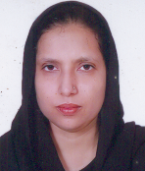
 |  |  |  |  |  | 20.8.08 to 29.11.2017 | Lecturer | AUAMC, Alig.
 |  |  |  |  |  | 30.11.2017 till date | Reader | AUAMC, Alig.

DEPT. OF KULLIYAT

3 | Prof.Sajid Kabir | Mr. Kabir Ahmad Jaisi | 18.11.1963 | BUMS | NA | 01.01.2009 TO 30.09.2014 | Lecturer | AUAMC, Alig. | Regular | 8038, Bhartiya Chikitsa Parishad, Utter Pradesh | 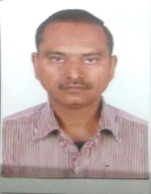
 |  |  |  |  |  | 01.10.2014 to 08.06.2016 | Reader | AUAMC, Alig.
 |  |  |  |  |  | 13.06.2016 to 18.01.2018 | Reader | Sufia Unani Medical College, Bihar
 |  |  |  |  |  | 03.01.2020 till date | Professor | AUAMC, Alig.
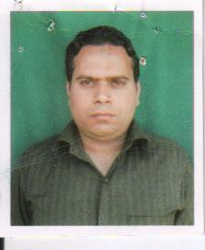
4 | Dr. Mohd. Azam | Mr. Mohd Husain | 01.07.1979 | BUMS/ 2003/ AMU, Aligarh | MD/2007 AMU Aligarh |  |  |  | Regular | 11132 Bhartiya Chikitsa Parishad, Utter Pradesh
 |  |  |  |  |  | 15.12.2014 to 23.08.2018 | Lecturer | AUAMC, Aligarh
 |  |  |  |  |  | 09.03.2020 till date | Reader | AUMC, Aligarh
5 | Dr. Shabana Siddiqui | Mr. Muzakkir Ali | 14.07.1982 | BUMS/2005/ AMU | MD/2010/AMU | 02.07.2012 to 29.06.2013 | Lecturer | RUMCH, Rajasthan | Regular | 004432 CCIM/20314, Bhartiya Chikitsa Parishad, Utter Pradesh | 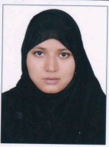
 |  |  |  |  |  | 28.11.203 to 07.12.2013 | Lecturer | AUTC, Indore
 |  |  |  |  |  | 24.12.2013 to 06.06.2016 | Lecturer | Rajasthan Unani Medical College, Jaipur
 |  |  |  |  |  | 30.07.2016 to 27.12.2017 | Lecturer | University College of Unani, Tonk, Rajastha
 |  |  |  |  |  | 01.06.2018 till date | Reader | AUMC, Aligarh
6 | Dr. Mohd. Saqlain | Mr. Jawahar Abbas | 01.03.1982 | BUMS/2012/AMU | MD/2017/ AMU | 13.01.2018 to20.10.2018 | Lecturer, Munafeul Aza | Rajasthan Unani Medical College, Jaipur | regular | 15961, Bhartiya Chikitsa Parishad, Utter Pradesh | 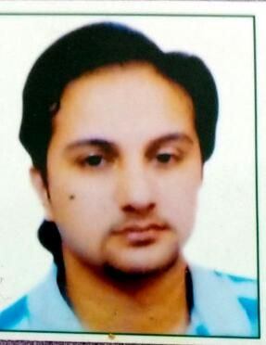
 |  |  |  |  |  | 22.10.2018 till date | lecturer | AUMC, Aligarh
7 | Dr. Sana Akhtar | Mr. Shamim Akhtar | 21.02.1991 | BUMS/2014/ AMU | MD/2018/AMU | 26.02.2019 to 07.01.2020 | Lecturer, Tashreehul Badan | AIUMCH, Muzaffarnagar | Regular | 17157, Bhartiya Chikitsa Parishad, Uttar Pradesh
 |  |  |  |  |  | 09.01.2020 till date | Lecturer | AUMCH, Aligarh |  |  | 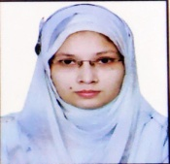
8 | Maulana Afroz Alam | Mr. Ansar Ali Khan | 12.02.1979 | Fazil/ Darul Ulum Deoband | MA Arabic/ AMU | 31.07.2004 | Lecture | AUMC, Aligarh | Part-time |  | 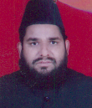
9 | Mr. Mohd. Akram Raza | Mr. Mohd. Abdul Qadir Khan | 20.09.1988 | B. Sc./2009/AMU | M. Sc. Biostat./ 2012/AMU | 12.01.2019 till date | Lecturer | AUMC, Aligarh | Part-time | NA
10 | Mr. Meer Zahab | Mr Meer Mohd.Ali | 09.06.1990 | BA. (Hons.) Engish | MA Communicative English | 14.01.2019 till date | Lecturer | AUMC, Aligarh | Part-time | NA
DEPT. OF MUNAFEUL AZA
11 | Dr. Sabiha Iqbal | Late. Dr. Azmatullah | 16.10.1969 | BUMS/1996/AMU | NA | 15.06.1996 to 09.01.2014 | Lecturer | AUMC, Aligarh | Regular | 08167, Bhartiya Chikitsa Parishad, Utter Pradesh | 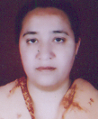
 |  |  |  |  |  | 10.01.2014 till date | Reader | AUMC, Aligarh
12 | Dr. Anisur Rehman | Mr. Abdul Rehman Khan | 01.10.1963 | BUMS/1996/AMU | NA | 01.01.1996 TO 09.01.2014 | Lecturer | AUMC, Aligarh | Regular | 08095, Bhartiya Chikitsa Parishad, Utter Pradesh | 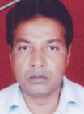
 |  |  |  |  |  | 10.01.2014 till date | Reader | AUMC, Aligarh
DEPT. OF TAHAFFUZI WA SAMAJI TIB
13 | Prof. Ahmad Nadim Khan | Mr. Salahuddin Khan | 12.01.1965 | BUMS/1992/ DR. B.R.A.U., BIHAR | PGDHHM | 26.06.1993 - 30.06.1998 | Lecturer | AUAMC, Aligarh | Regular | 15254, Bhartiya Chikitsa Parishad, Utter Pradesh | 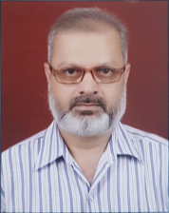
 |  |  |  |  |  | 01.05.2006 - 05.12.2008 | Lecturer | AIUMC, MzN
 |  |  |  |  |  | 06.12.2008 - 31.08.2009 | Reader | AIUMC, MzN
 |  |  |  |  |  | 01.09.2009 -27.10.2013 | Reader | AUMC, Aligarh
 |  |  |  |  |  | 28.10.2013-13.06.2018 | Professor, Principal& Hosp. Suptd. | AUMC, Aligarh
 |  |  |  |  |  | 10.08.2018-31.01.2020 | Professor, Principal& Hosp. Suptd. | HRUMC, Sambhal
 |  |  |  |  |  | 01.02.2020 till date | Professor, Principal& Hosp. Suptd. | AUMC, Aligarh
14 | Dr. Aliya parveen | Dr. Mohd. Saqlain | 01.04.1988 | BUMS/2010/AMU | MD/2016/NIUM | 09.02.2017-21.10.2018 | Lecturer | Rajputana Unani Medical College, Jaipur | Regular | 14679, Bhartiya Chikitsa Parishad, Utter Pradesh
 |  |  |  |  |  | 22.10.2018 till date | Lecturer | AUMC, Aligarh
15 | Dr. Naeem | Mr. Saleem Khan | 10.09.1988 | BUMS/2011/AMU | MD/2016/AMU | 11.02.2017-18.01.2018 | Lecturer | Sufia Unani Medical College, Bihar | Regular | 14948, Bhartiya Chikitsa Parishad, Utter Pradesh
 |  |  |  |  |  | 05.02.2018-01.12.2018 | Lecturer | Glocal Unani Medical College, Saharanpur
 |  |  |  |  |  | 05.12.2018-25.09.2019 | Lecturer | HRUMC, Sambhal
 |  |  |  |  |  | 11.01.2021 till date | Lecturer | AUMC, Aligarh
DEPT. OF MAHIYATUL AMRAZ

16 | Dr. Zakira Iqrar | Mr. Syed Obaidullah | 15.04.1982 | BUMS/2007/AMU | NA | 06.08.2008-10.12.2010 | Lecturer | AIUMC, Mzn | Regular | 12972, Bhartiya Chikitsa Parishad, Utter Pradesh
 |  |  |  |  |  | 11.12.2010-14.12.2014 | Lecturer | AUMC. Alig
 |  |  |  |  |  | 15.12.2014 til date | Reader | AUMC. Alig
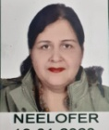
17 | Dr. Neelofer | Dr. Mohd. Muzaffar | 23.06.1975 | BUMS/1998/AMU | MD/2003/AMU | 15.04.2013-30.12.2017 | Lecturer | HRUMC, Sambhal | Regular | 08848, Bhartiya Chikitsa Parishad, Utter Pradesh
 |  |  |  |  |  | 16.04.2018-04.01.2020 | Lecturer | RUMCH, Jaipur
 |  |  |  |  |  | 19.01.2021 till date | Lecturer | AUMC. Alig
18 | Dr. Nabila Subhan | Mr. Subhanullah | 22.05.1990 | BUMS/2014/AMU | MD/2020/NIUM | 23.01.2021 till date | Lecturer | AUMCH, Alig. | Regular | 17360, Bhartiya Chikitsa Parishad, Utter Pradesh
DEPT. OF ILMUL ADVIA
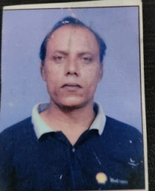
19 | Dr. Kr. Zameer Ahmad | Mr. Jamil Khan | 22.06.1969 | BUMS/1996/AMU | NA | 16.07.1998-31.12.2008 | Lecturer | AUMCH, Alig. | Regular | 08741, Bhartiya Chikitsa Parishad, Utter Pradesh
 |  |  |  |  |  | 01.01.2009-04.02.2017 | Reader | AUMCH, Alig.
 |  |  |  |  |  | 08.02.2017-25.03.2017 | Reader | HRUMC, Sambhal
 |  |  |  |  |  | 27.03.2017-16.01.2020 | Reader | AUMCH, Alig.
 |  |  |  |  |  | 17.01.2020-06.01.2021 | Reader | AIUMC, Mzn
 |  |  |  |  |  | 07.01.2021 till date | Reader | AUMCH, Alig.
20 | Dr. Sana Rehman | Mr. Mohd. Khalilur Rehman | 01.10.1991 | BUMS/2014/AMU | MD/2019/NIUM | 12.03.2020 till date | Lecturer | AUMCH, Alig. | Regular | 17175, Bhartiya Chikitsa Parishad, Utter Pradesh | 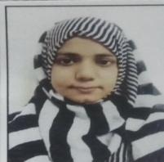
DEPT. OF SAIDLA
21 | Dr. Mohammad Javed Khan | Mr. Mubeen Khan | 05.03.1969 | BUMS/1996/AMU | NA | 01.01.1997-15.12.2000 | Lecturer | AUMCH, Alig. | Regular | 11165, Bhartiya Chikitsa Parishad, Utter Pradesh | 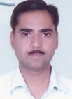
 |  |  |  |  |  | 01.01.2009-06.01.2014 | Lecturer | AUMCH, Alig.
 |  |  |  |  |  | 07.01.2014-28.01.2019 | Reader | AUMCH, Alig.
 |  |  |  |  |  | 29.01.2019 till date | Professor | AUMCH, Alig.
22 | Dr. Rukhsar Basheer | Mr. Sirajuddin | 12.07.1994 | BUMS/2017/AMU | MD/2020/NIUM | 26.02.2021 till date | Lecturer | AUMCH, Alig. | Regular | 18406, Bhartiya Chikitsa Parishad, Utter Pradesh
DEPT. OF ILAJ BIT TADBEER
23 | Dr.Nuzhat Akhtar | Dr.Shahid Malk | 08.07.1980 | BUMS/2003/AMU/MD/2007/AMU |  | 02.07.2012-30.10.2015 | Lecturer | Dr.A.A.T.College Lko | Regular | 12146, Bhartiya Chikitsa Parishad, Utter Pradesh
 |  |  |  |  |  | 02.11.2015-11.01.2019 | Lecturer | AMUCH.Alig
 |  |  |  |  |  | 12.01.2019-till datre | Reader | AUMCH, Alig.
24 | Dr.Hina Tarannum Afridi | Mr.Tahir Hafeez Khan | 20.12.1979 | BUMS/2003/AMU |  | 01.08.2008-20.10.2013 | Lecturer | AUMCH, Alig. | Regular | 11342, Bhartiya Chikitsa Parishad, Utter Pradesh | 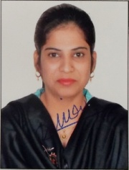
 |  |  |  |  |  | 21.10.2013-31.12.2013 | Reader | AUMCH, Alig.
 |  |  |  |  |  | 01.08.2014-30.07.2019 | Reader | HRUMC, Sambhal
 |  |  |  |  |  | 01.08.2019-till date | Reader | AUMCH, Alig.
DEPT.OF MOALIJAT

25 | Prof.Ahmad Saleem | Mr.Abdul Ghafoor | 29.12.1963 | BUMS/1991/AMU | MD/1997/AMU | 26.06.1997-31.12.2008 | Lecturer | AUMCH, Alig. | Regular | 7285, Bhartiya Chikitsa Parishad, Utter Pradesh
 |  |  |  |  |  | 01.01.2009-31.08.2014 | Reader | AUMCH, Alig.
 |  |  |  |  |  | 01.09.2014-till date | Professor | AUMCH, Alig.
26 | Dr.Rihana Kamal | Mr. Shafeek Ahmad | 05.06.1975 | BUMS/2000/AMU | MD/2005/AMU | 01.10.2015-12.10.2020 | Lecturer | AUMCH, Alig. | Regular | 09231, Bhartiya Chikitsa Parishad, Utter Pradesh | 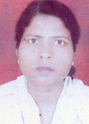
 |  |  |  |  |  | 13.10.2020 till date | Reader | AUMCH, Alig.
27 | Dr.Abdul Aziz | Mr.Imtiyaz A;li | 02.01.1987 | BUMS/2013/AMU/ | MD/2017/AMU | 03.03.2018-19.09.2018 | Lecturer | UUMCH,UK | Regular | 16745, Bhartiya Chikitsa Parishad, Utter Pradesh
 |  |  |  |  |  | 21.09.2018-31.01.2021 | Lecturer | EUMC Lko
 |  |  |  |  |  | 01.02.2021-till date | Lecturer | AMUCH,Alig.
28 | Dr. Nighat Parveen | Mr. Jalalluddin Khan | 20.08.1989 | BUMS/2013/AMU | MD/2018/AMU | 02.02.2019-06.10.2021 | Lecturer | SUMCH, Mathura | Regular | 16719, Bhartiya Chikitsa Parishad, Utter Pradesh
 |  |  |  |  |  | 07.10.2021 till date | Lecturer | AUMCH, Alig.
29 | Dr. Zareena Aquil | Mr. Mohammad Aquil | 16.07.1992 | BUMS/2014/DU | MD/2020 | 20.04.2020-31.03.2021 | Lecturer | RAUTMC, Sangroor, Punjab | Regular | 17037, Bhartiya Chikitsa Parishad, Uttar Pradesh
 |  |  |  |  |  | 01.04.2021 till date | Lecturer | AUMCH, Alig.
DEPT. OF ILMUL ATFAL
30 | Dr. Rumana Khan | Mr. Sadiq Ali Khan | 28.12.1984 | BUMS/2007/AMU | NA | 01.08.2009 -12.01.2018 | Lecturer | AUMCH, Alig. | Regular | 08405, Bhartiya Chikitsa Parishad, Uttar Pradesh | 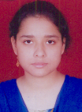
 |  |  |  |  |  | 02.07.2018 till date | Reader | AUMCH, Alig.
31 | Dr. Subhana Khan | Mr. Sadiq Ali Khan | 30.05.1982 | BUMS/2007/AMU | NA | 01.08.2009-30.11.2015 | Lecturer | AUMCH, Alig. | Regular | 12937, Bhartiya Chikitsa Parishad, Uttar Pradesh | 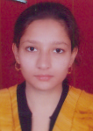
 |  |  |  |  |  | 01.12.2015 till date | Reader | AUMCH, Alig.
DEPT. OF QABALAT
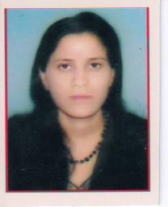
32 | Prof. Sadia Hafeez | Mr. M.A Hafeez | 15.07.1976 | BUMS/ 2000/ AMU, Aligarh | NA | 01.09.2006 to 30.11.2012 | Lecturer | Deoband Unani Medical college | Regular | 09963 Bhartiya Chikitsa Parishad, Utter Pradesh
 |  |  |  |  |  | 01.12.2012 to 14.09.2013 | Reader | Deoband Unani Medical college
 |  |  |  |  |  | 27.11.2013 till date | Reader | AUAMC, Aligarh

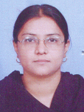
33 | Dr. Ghazala Yasmeen | Mr. Anwar Akeel | 18.11.1972 | BUMS/1999/AMU | NA | 01.01.2000-31.03.2005 | Lecturer | AIUMC, Mzn | Regular | 10801, Bhartiya Chikitsa Parishad, Uttar Pradesh
 |  |  |  |  |  | 15.01.2009-14.11.2010 | Lecturer | AUMCH, Alig.
 |  |  |  |  |  | 15.11.2010 till date | Reader | AUMCH, Alig.
34 | Dr. Ghazala Ahmad | Mr. Wali Ahmad | 11.07.1992 | BUMS/2013/CSJM | MD/2019/NIUM | 18.03.2020 till date | Lecturer | AUMCH, Alig. | Regular | 17564, Bhartiya Chiktsa Parishad Uttar Pradesh
DEPT. OF JARAHAT
35 | Dr. Hafiz Zubair Alam | Mr. Uzair Alam | 24.12.1978 | BUMS/2002 AMU | NA | 28.05.2008-30.11.2010 | Lecturer | AUMCH, Alig. | Regular | 10182, Bhartiya Chilitsa Parishad,Uttar Pradesh
 |  |  |  |  |  | 02.06.2015-01.01.2018 | Lecturer | AUMCH, Alig.
 |  |  |  |  |  | 02.01.2018 till date | Reader | AUMCH, Alig.
36 | Dr. Matiur Rehman | Mr. Abdul Majeed | 10.07.1989 | BUMS/2016/ AMU | MS/2020/AMU | 19.04.2021-31.12.2021 | Lecturer | SUMCH, Mathura | Regular | 17194, Bhartiya Chiktsa Parisad | 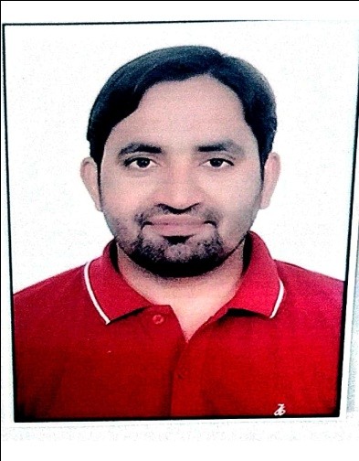
 |  |  |  |  |  | 01.01.2022-22.04.2022 | Lecturer | Rehbar Ayurvedic and Unani Tibbi Medical college, Hospital and Research Centre
 |  |  |  |  |  | 25.04.2022 till date | Lecturer | AUMCH Alig,
DEPT. OF AMRAZ E JILD WA TANZEENIYAT
37 | Dr. Jarrar Husain Rizvi | Mr. Sarfaraz Ali | 26.02.1980 | BUMS/2006/AMU | NA | 04.05.2012-01.06.2018 | Lecturer | AUMCH Alig, | Regular | 12775, Bhartiya Chikitsa Parishad | 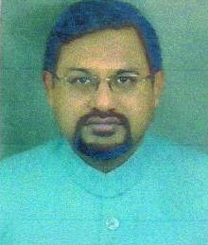
 |  |  |  |  |  | 02.06.2018 till date | Reader | AUMCH Alig,
38 | Dr. Yasmeen Ahmed | Mr. Gulzar Ahmad | 30.05.1987 | BUMS/2013/AMU | MD/2019/JH | 02.12.2021 till date | Lecturer | AUMCH Alig, | Regular | 15722, Bhartiya Chiktsa Parishad Uttar Pradesh

DEPT. OF AIN,UZN WA HALAQ
39 | Dr. Aquil Ahmad Khan | Mr. Mohd Nazeer | 20.12.1979 | BUMS/2003/AMU | MD/2021/CSJ | 22.01.2016-10.01.2018 | Lecturer | AUMCH Alig, | Regular | 10990, Bhartiya Chikitsa Parishad
 |  |  |  |  |  | 27.07.2021 till date | Reader | AUMCH Alig,
40 | Dr. Uzma Khaliquee | Mr. Khaliquee Ahmad Ansari | 26.02.1980 | BUMS/ 2006 A.M.U. Aligarh | NA | 13.03.2013 to 27.01.2016 | Lecturer | AUAMC, Aligarh | Regular | 12775Bhartiya Chikitsa Parishad | 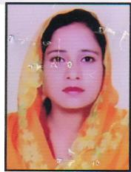
 |  |  |  |  |  | 30.10.2016 to 31.12.2016 | Lecturer | U.T. Unani Medi Collge
 |  |  |  |  |  | 01.03.2017 till date | Lecturer | AUAMC, Aligarh

